Sheet1
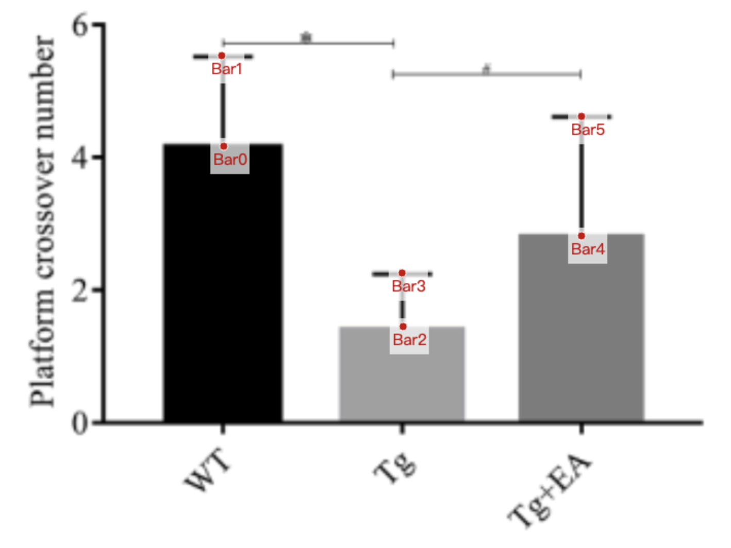
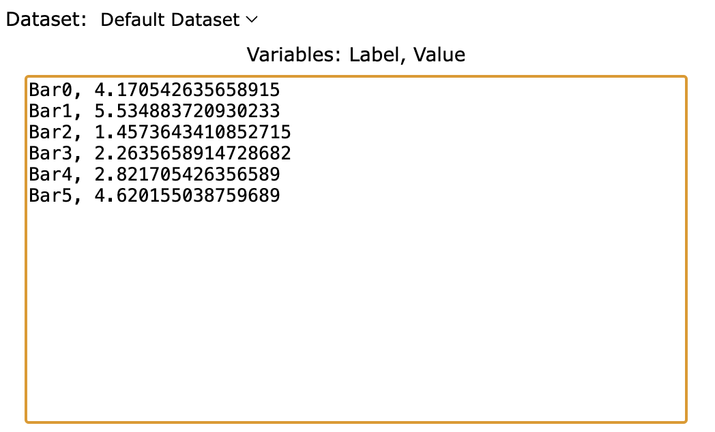
Treatment Groups | WT_platform_crossed | Tg_platform_crossed | Tg+EA_platform_crossed
mean | 4.1705426357 | 1.4573643411 | 2.8217054264
sd | 1.364341085 | 0.8062015504 | 1.798449612
mean+sd | 5.5348837209 | 2.2635658915 | 4.6201550388

